Analyze Using Model
Financial Modeling |  |  |  |  |  | © All rights reserved, 2022, Richard Horwitz & Mustapha Camara | © All rights reserved, 2019, Marianne Wolk & Richard Horwitz
Section: Modeling with Excel
Workbook 4: Company Financial Model
Sheet: Analyze Using Model

You are now going to use the Company Financial Model you developed to analyze a variety of strategic scenarios.
You can use either the model you developed from scratch or the template.
The data you used in developing the model is the "Baseline" against which strategic alternatives will be compared.
The Boston Consulting Group Growth Share Matrix will be used to construct three scenarios.
The growth share matrix below was created by Boston Consulting Group (BCG)'s founder Bruce Henderson in 1968.
According to the firm, it was once used by half of the Fortune 500.
Variants include matrices that evaluate Growth versus Size (a comparable measure to Market Share) or Growth versus Profitability.

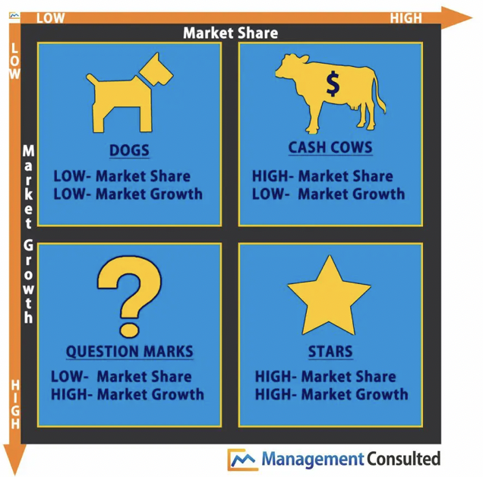

Cash Cow | Cash cows are mature companies with slow to negative growth.
 | Companies generally reduce their spending on R&D, SG&A and Capital Expenditures during this phase of the life cycle.
 | In general, the surviving companies have high market shares with commensurately favorable Gross Margins.
Star | Stars are early stage companies in a high growth environment.
 | Stars generally enjoy high market shares with commensurately favorable Gross Margins.
 | Stars often require high R&D and SG&A expenses to support the growth.
 | Companies generally must make significant Capital Expenditures to support the rapid growth.
Dog | Dogs are companies that have relatively small market shares and therefore unfavorable competitive costs and small profits.
 | They are generally in low growth industries
Leverage | Levered companies use Debt in their capital structure to reduce the amount of Equity required.
 | The leverage increases the risk as the company is committed to paying interest and returning the Debt at maturity.
Cash Cow with Dividends | In this scenario the company distributes all of the Net Income earned as dividends.
 | You must add dividends to your model.
 | The dividends represents an outflow of Cash that reduces Equity by an equivalent amount.

Apply the model you have developed to calculate the following metrics for each scenario.
You can select scenarios in cell F52 on the 'Develop Model' Sheet.
For each scenario (each Column below) 'Paste Values' for 2024 calculated by your model.
Hint: If you do not Past Values the results will change when you analyze the next scenario and they will be marked as incorrect.
Hint: Make sure you are selecting 2024 values.
Any errors will result in the cell turning red. If you do not 'Paste Values' the Conditional Formatting that turn the cells red will be lost.
 | 2024 Forecast for Each Scenario | Baseline | Cash Cow | Star | Dog | Leverage | Cash Cow With Dividends
 | Revenues | $213 | $195 | $252 | $205 | $213 | $195
 | Net Income | $17 | $27 | $27 | $4 | $16 | $26
 | Cash | $37 | $83 | $30 | $1 | $36 | $2
 | Equity | $100 | $133 | $124 | $64 | $74 | $52
 | Cash Generated | $9 | $24 | $7 | -$3 | $9 | -$3
 | ROE | 20% | 25% | 28% | 7% | 28% | 51%

Which scenario resulted the most Cash Generated?
 | Cash Cow
That is because a successful mature company generally generates a lot of cash and has few opportunities to redeploy it.

Which scenario resulted in the highest ROE?
 | Cash Cow With Dividends
While a Cash Cow has limited reinvestment opportunities, they often generate attractive returns.
Distributing the significant Cash Generated through dividends, permit the Cash to ultimately be deployed to an attractive alternative use.

Which scenario resulted in the lowest Net Income?
 | Dog
A dog by definition is a company which has low market share and therefore is competitively disadvantaged.

